Login Functionality
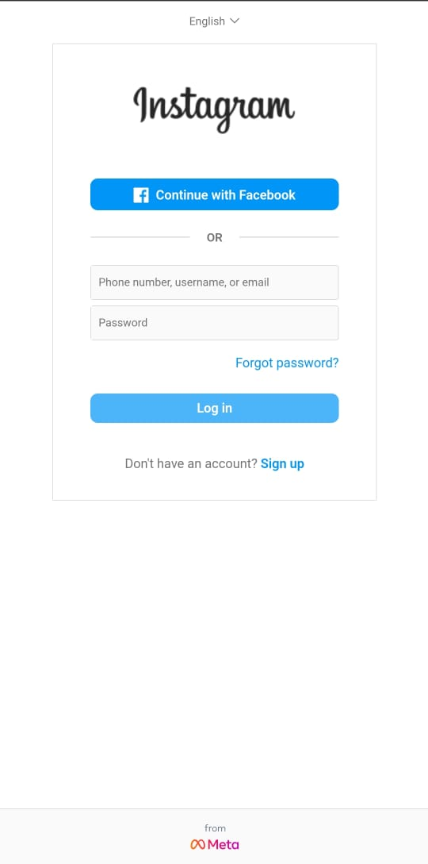
Test Scenario | Test Cases | Test Data | Status | Test Steps | Expected Result | Actual Result | Compatibility/Resolution
Valid Login | To check User has a valid Instagram account. | username - aayushakn.8863 Password- aayyy@123 | Pass | 1. Open the Instagram app/webpage. 2. Tap on the "Log In" button. 3. Enter a valid username and password. 4. Tap on the "Log In" button. | User should be successfully logged in and directed to the home feed. | User successfully logged in and directed to the home feed. | Instagram app in phone with android version 13 and resolution 6.67''(2400*1080 pixels)
Invalid Login | To check User has a valid Instagram account and entered Incorrect password. | username - aayushakn.8863 Password- aayyy@124 | Pass | 1. Open the Instagram app. 2. Tap on the "Log In" button. 3. Enter a valid username and an incorrect password. 4. Tap on the "Log In" button. | User should see an error message indicating that the password is incorrect. | User see an error message indicating that the password is incorrect. | Instagram app in phone with android version 13 and resolution 6.67''(2400*1080 pixels)
 | To check if the username is registered on instagram. | username - ayushakn.8863 Password- aayyy@125 | Pass | 1. Open the Instagram app. 2. Tap on the "Log In" button. 3. Enter a non-existent username and any password. 4. Tap on the "Log In" button. | User should see an error message indicating that the username does not exist. | User see an error message indicating that the username does not exist. | Instagram app in phone with android version 13 and resolution 6.67''(2400*1080 pixels)
Forgot Password | To check if forgot password leads to different page to change password. | ashish@gmail.com | Pass | 1. Open the Instagram app. 2. Tap on the "Log In" button. 3. Click on the "Forgot Password?" link. 4. Enter the registered email address or phone number. 5. Follow the instructions to reset the password. | User should receive an email or SMS with instructions to reset the password. | User receive an email or SMS with instructions to reset the password. | Instagram app in phone with android version 13 and resolution 6.67''(2400*1080 pixels)
Password Strength Validation | To check if the entered password is valid that is more than 8 characters. | aayyy@1 | Pass | 1. Open the Instagram app. 2. Tap on the "Log In" button. 3. Enter a valid username and a weak password (e.g., less than 8 characters). 4. Tap on the "Log In" button. | User should see an error message indicating that the password is too weak. | User see an error message indicating that the password is too weak. | Instagram app in phone with android version 13 and resolution 6.67''(2400*1080 pixels)
Social Login | To check wether the user is able to login through other social media account (like Facebook) |  | Pass | 1. Tap on the "Log In with Facebook" (or other social media) button. 2. Provide the necessary permissions if prompted. | User should be successfully logged in using the linked social media account. | User be successfully logged in using the linked social media account. | Instagram app in phone with android version 13 and resolution 6.67''(2400*1080 pixels)

Post a photo or video
Test Scenario | Test Cases | Test Data | Status | Test Steps | Expected Result | Actual Result | Complatibility/Browser/Resolution |  |  |  | Post multiple photos |  | Apply Filters |  | Geotagging
Post a Photo | To check if user is able to post photo on instagram feed. |  | Pass | 1. Log into the Instagram 2.Tap on the '+' button to create a new post. 3. Select the "Photo" option. 4. Choose a photo from the gallery. 5. Add a caption and any relevant details. 6. Tap on the "Share" button. | The photo should be successfully posted and visible in the user's profile and followers' feeds. | The photo successfully posted and visible in the user's profile and followers' feeds. | Instagram app in phone with android version 13 and resolution 6.67''(2400*1080 pixels) |  | Post Photo/Video
Post a Video | To check if user is able to post video on instagram feed. |  | Pass | 1. Log into the Instagram 2.Tap on the '+' button to create a new post. 3. Select the "Video" option. 4. Choose a photo from the gallery. 5. Add a caption and any relevant details. 6. Tap on the "Share" button. | The video should be successfully posted and visible in the user's profile and followers' feeds. | The video successfully posted and visible in the user's profile and followers' feeds. | Instagram app in phone with android version 13 and resolution 6.67''(2400*1080 pixels) | 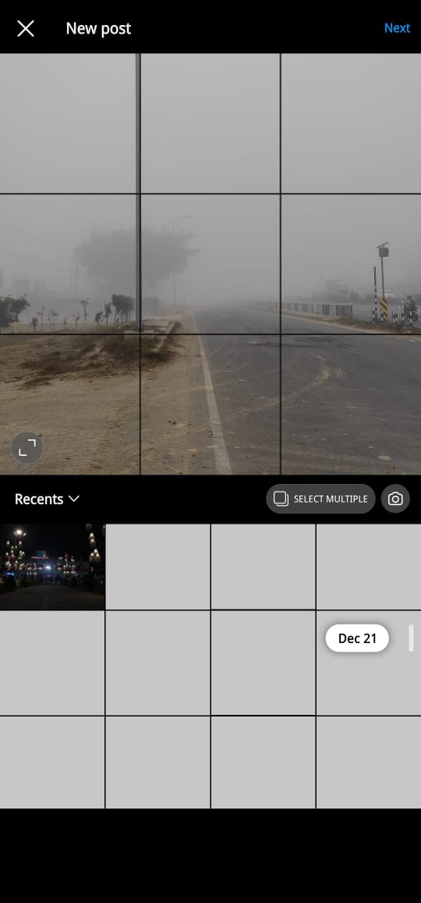 |  | 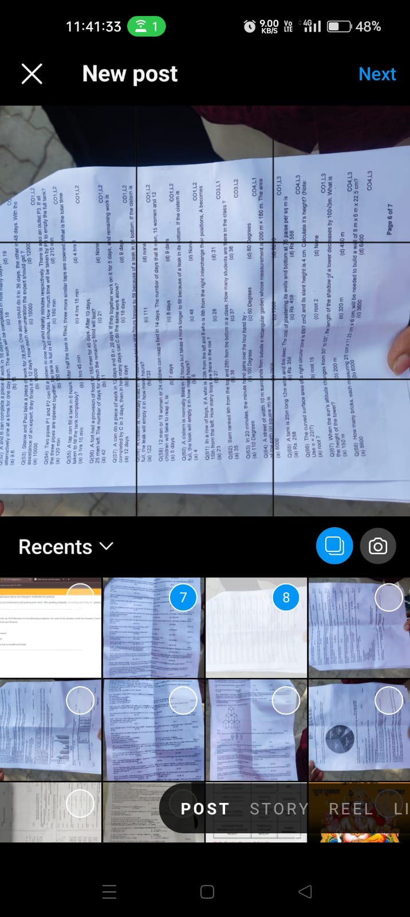 |  | 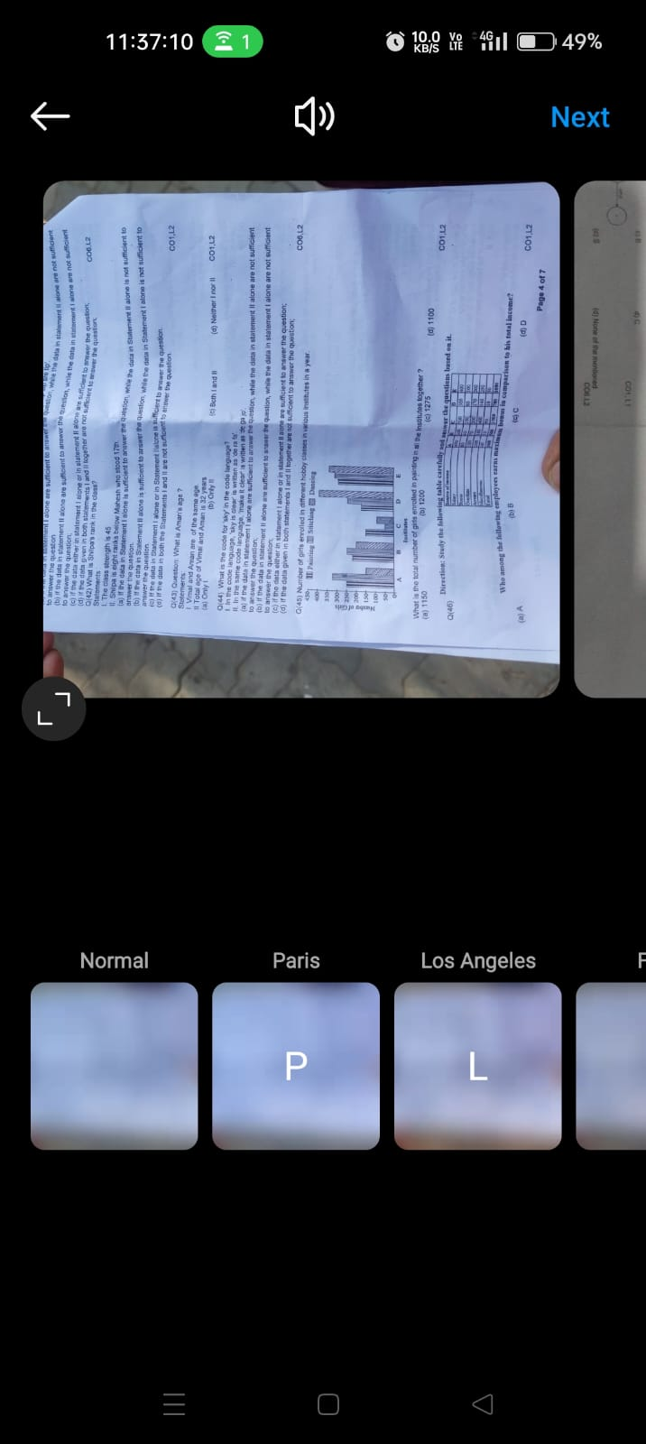 |  | 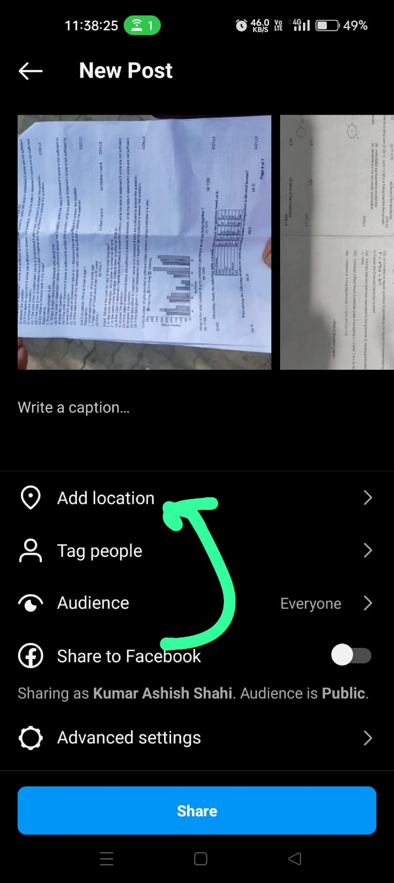
Post Multiple Photos | To check if user is able to add Multiple Photos to a Post |  | Pass | 1. Log into the Instagram 2.Tap on the '+' button to create a new post. 3. Select the "Multiple Photos" option. 4. Choose multiple photos from the gallery. 5. Arrange the order of photos if required. 6. Add a caption and any relevant details. 7. Tap on the "Share" button. | The post with multiple photos should be successfully posted and visible in the user's profile and followers' feeds. | The post with multiple photos successfully posted and visible in the user's profile and followers' feeds. | Instagram app in phone with android version 13 and resolution 6.67''(2400*1080 pixels)
Geotagging | To check user is able to add location tag on the post. |  | Pass | 1. Log into the Instagram 2.Tap on the '+' button to create a new post. 3. Select the "Photo/video" option. 4. Choose a photo/video from the gallery. 5.While posting a photo, enable location services. 6. Add a location tag to the photo. 7. Post the photo. | The photo should be posted with the specified location, and users should be able to view it on the map. | The photo posted with the specified location, and users should be able to view it on the map. | Instagram app in phone with android version 13 and resolution 6.67''(2400*1080 pixels)
Filter Application | To check user is able to apply filters on the post. |  | Pass | 1. Log into the Instagram 2.Tap on the '+' button to create a new post. 3. Select the "Photo/video" option. 4. Choose a photo/video from the gallery. 5.Apply various filters to the photo before posting. 6. Post the photo. | The photo should be posted with the applied filter, and the filter effect should be visible to followers. | The photo posted with the applied filter, and the filter effect should be visible to followers. | Instagram app in phone with android version 13 and resolution 6.67''(2400*1080 pixels)

